Sheet1
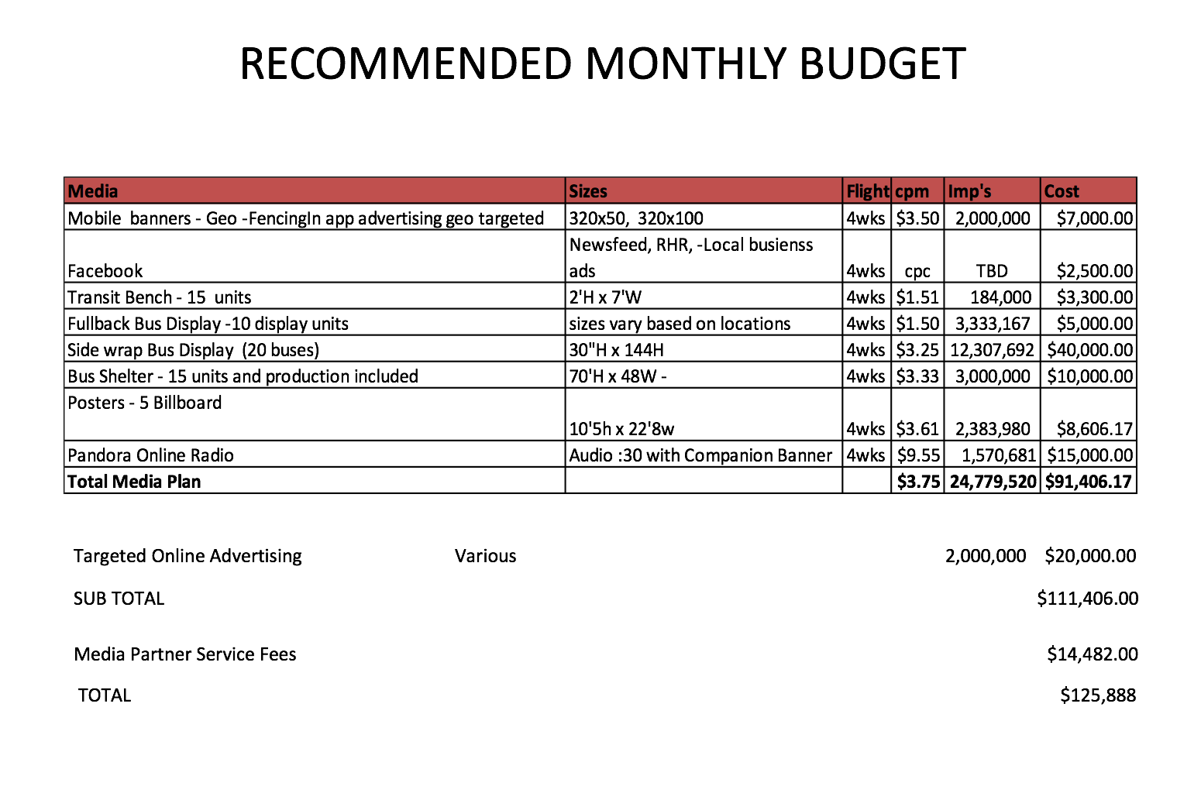
Mendocino County Tourism Commission, Inc.
Marketing Expenses -- Budget v. Anticipated Expenses
2018-03-28

Expense |  |  | To Mar 20, 2018 | 2017-18 Budget | Projected Expenses to End of FY 2017-18 | Total Expenses to End of FY 2017-18 | Plus / Minus Budget
 | MARKETING ACTIVITIES - MEDIA & WEBSITE
 | Marketing / Public Relations
 |  | 5510 · Public Relations Contract | $65,399.94 | $111,000.00 | $20,000.00 | $85,399.94 | $25,600.06
 |  | 5520 · Marketing Agency Contract | $74,997.00 | $100,000.00 | $25,003.00 | $100,000.00 | $0.00
 |  | 5650 · Marketing & Comm. Coordinator | $44,000.00 | $60,000.00 | $22,000.00 | $66,000.00 | $6,000.00
 |  | 5660 · Clipping Service | $4,779.63 | $6,000.00 | $1,600.00 | $6,379.63 | $379.63
 |  | 5530 · In-Market PR Stunts | $156.00 | $2,500.00 | $0.00 | $156.00 | $2,344.00
 |  | 5560 · Media Events | $6,073.51 | $3,500.00 | $3,000.00 | $9,073.51 | $5,573.51
 |  | 5610 · Travel -PR Related | $2,470.55 | $10,000.00 | $3,000.00 | $5,470.55 | $4,529.45
 |  | 5550 · Visiting Media FAM Expenses | $7,761.56 | $12,000.00 | $2,500.00 | $10,261.56 | $1,738.44
 | Total Marketing / Public Relations |  | $205,638.19 | $305,000.00 | $77,103.00 | $282,741.19 | $22,258.81

 |  |  | To Mar 20, 2018 | 2017-18 Budget | Projected Expenses | Total Expenses | Plus / Minus Budget
 | Media & Website
 |  | 5130 · Print & Online Advertising | $204,361.81 | $325,000.00 | $237,744.00 | $442,105.81 | $117,105.81
 |  | 5150 · Ad Development/Design | $2,243.25 | $8,000.00 | $5,000.00 | $7,243.25 | $756.75
 |  | 5170 · Photography | $607.58 | $8,000.00 | $2,000.00 | $2,607.58 | $5,392.42
 |  | 5240 · Research & Development | $0.00 | $20,000.00 | $0.00 | $0.00 | $20,000.00
 |  | 5110 · Video Development | $16,043.89 | $10,000.00 | $35,500.00 | $51,543.89 | $41,543.89
 |  | 5015 · Marketing Contingency | $18,961.82 | $10,000.00 | $0.00 | $18,961.82 | $8,961.82
 |  | 5750 - Website Dev & Maintenance | $6,954.00 | $17,000.00 | $63,750.00 | $70,704.00 | $53,704.00
 | Total Advertising / Media |  | $249,172.35 | $381,000.00 | $343,994.00 | $522,462.35 | $141,462.35

 | Total Projected Request for Additional Funding: |  |  |  |  |  | $119,203.54

THEORYSF ADVERTISING; WEBSITE; VIDEO
 |  |  | OPTION 1 | OPTION 2
 | PROJECTED EXPENSES TO END OF FY 2017-18
 | 5750 | Website | $44,390.00 | $44,390.00
 | 5750 | Automated leads to constituents | $8,800.00 | $17,600.00 | Cost depends on the depth of the automating leads task.
 | 5750 | Event tracking and retargeting ability | $1,760.00 | $1,760.00
 | 5110 | "How to Mendocino" film shorts | $35,000.00 | $35,000.00
 | 5130 | Brand launch campaign - out of county | $111,406.00 | $111,406.00 | Cost per month. TSF recommends at least two months beg. May 1, 2018. See graphic below for full details of spend.
 | 5110 | Media Partner Service Fees | $14,482.00 | $14,482.00
 | 5110 | TravelGuidesFree | $450.00 | $450.00
 |  |  | $216,288.00 | $225,088.00

